1. Title Page
[Grocery Basket Analysis]

Project Name: Instacart Grocery Basket Analysis
Date: 11/14/2022
Analyst Name: Asa Sherwyn

Contents:
Population Flow
Consistency checks
Wrangling steps
Column derivations
Visualizations
Recommendations

Data:
Date range: January 1, 2017 to April 1, 2020
206,209 customers
3,421,083 orders
21 departments
49,693 products

Data Citation:
“The Instacart Online Grocery Shopping Dataset 2017”, Accessed from https://www.instacart.com/datasets/grocery-shopping-2017 on 11/15/2022.

Note: The "prices" column in the data set and all customer data has been fabricated for educational purposes.

2. Population Flow
Title page

Population flow

Exclusion flag
Condition: max_order < 5
Obervations to be removed: 1,440,295
Final total count of order_products_all: 30,964,564

Orders_products_combined
Orders_products_merged
Orders_products_all

Total: 32,404,859
Total: 32,434,489
Total: 30,964,564

1.) The grey boxes in the first row of the population flow represent the original data sets as they were when you downloaded them. In the Total fields you need to add the count of the rows when you imported the data set into Jupyter.
2.) The second row of boxes (coloured) represents the data sets after you manipulated them, e.g., removed missing values and duplicates. In the Total fields you need to add the count of the rows after conducting these operations. This offers a visual oveview of how the data flows throughout the data consistency checks.
3.) The third row, where also the arrows are coloured, represents the merges you performed between the datasets. In the Total fields you need to add the count of the rows in the merged datasets, so that you end up with the final dataset (in the red box). Keep in mind the final dataset should be without exclusions (based on the exclusion flag).

3. Consistency checks
 |  |  |  | Title page
Consistency checks

Dataset | Missing values | Missing values treatment | Duplicates
orders | days_since_prior_order (206209) | Values left NaN. They are the first entry of each user, as there can be no orders before the first, should be NaN. | None.
products | product_name(16) | Removed rows from data set.
products |  |  | 5 duplicates removed.
products | prices | Out of range prices (14,900 and 99,999) turned NaN. | None.
orders_products_prior | None. |  | None.
customers | None. |  | None.

4. Wrangling steps
 |  |  |  | Title page
Wrangling steps

Columns dropped | Columns renamed | Columns' type changed | Comment/Reason
eval_set |  |  | Not needed for final analysis.
 | order_dow |  | Renamed "order_day_of_week" for clarity.
 |  | order_id | Changed to string.
 |  | user_id | Changed to string.
First Name |  |  | Not needed for final analysis.
Surnam |  |  | Not needed for final analysis.
date_joined |  |  | Not needed for final analysis.
add_to_cart_order |  |  | Not needed for final analysis.
reordered |  |  | Not needed for final analysis.
aisle_id |  |  | Not needed for final analysis.
 | Gender |  | Renamed "gender"
 | STATE |  | Renamed "state
 | Age |  | Renamed "age"
 | n_dependants |  | Renamed "num_dependants"
 |  |  | Not needed for final analysis.
 |  |  | Not needed for final analysis.

5. Column derivations
 |  |  |  | Title page

Column derivations and aggregations

In this tab you should add tables below that the frequences of flags/label variables that you produced after deriving them. NB: don't do this for continuous variables, only for flags.
Dataset | New column | Column/s it was derived from | Conditions
orders_products_merged | price_range_loc | prices | Low-range: prices <= 5 Mid-range: 5 < prices <= 15 High-range: prices > 15
orders_products_merged | busiest_day | orders_day_of_week | if orders_day_of_week... == 0, then 'Busiest day' == 4, then 'Least busy' All else, 'Regular busy'
orders_products_merged | busy_days | orders_day_of_week | if orders_day_of_week... == 0 or 1, then 'Busy day' == 3 or 4, then 'Slow day' All else, 'Regular day'
orders_products_merged | busiest_period_of_day | order_hour_of_day | order_hour_of_day = x 9 <= x <= 16, then 'Most orders' x == 23 or 0 <= x <= 6, then 'Fewest orders' All else, 'Average orders'
orders_products_extended | loyalty_flag | max_order | max_order > 40, then 'Loyal customer' 40 >= max_order > 10, then 'Regular customer' 10 >= max_order, then 'New customer'
orders_products_extended | spender_flag | mean_price | mean_price >= 10, then 'High spender' mean_price < 10, then 'Low spender'
orders_products_extended | order_frequency_flag | median_order_frequency | median_order_price = x x > 20, then 'Non-frequent customer' 20 >= x > 10, then 'Regular customer' 10 >= x, then 'Frequent customer'
orders_products_customers | region | state | Divided into Northeast, Midwest, South, and West based on: https://simple.wikipedia.org/wiki/List_of_regions_of_the_United_States
orders_products_customers | low_activity | max_order | max_order < 5, then True
orders_products_customers | age_group | age | Young Adult < 30 Adult >= 30 & < 65 Elder >= 65
orders_products_customers | income_group | income | Low < 50,000 Mid >= 50,000 & < 150,000 High >= 150,000
orders_products_customers | meat_flag | department_id | department_id == 12, then True
orders_products_customers | de_flag | department_id | department_id == 16, then True
orders_products_customers | life_style | meat_flag, de_flag | Vegan: meat_flag != 1 & de_flag != 1 Vegetarian: meat_flag != 1 & de_flag == 1 Omnivore: meat_flag == 1 & de_flag == 1
orders_products_customers | alcohol_flag | department_id | department_id == 5, then 1 department_id != 5, then 0
orders_products_customers | baby_flag | department_id | department_id == 18, then 1 department_id != 18, then 0
orders_products_customers | fav_shopping_time | mode_shopping_time | mode_shopping_time = x Midnight 12-4: x >= 0 , x < 5 Morning 5-9: x >= 5 & x < 10 Mid-day 10-4: x >= 10 & x < 17 Night 5-11: x >= 17 & x < 24

6. Visualizations
 |  |  |  |  |  |  |  |  |  | Title page

Visualisations

1. The sales team needs to know what the busiest days of the week and hours of the day are (i.e., the days and times with the most orders) in order to schedule ads at times when there are fewer orders.

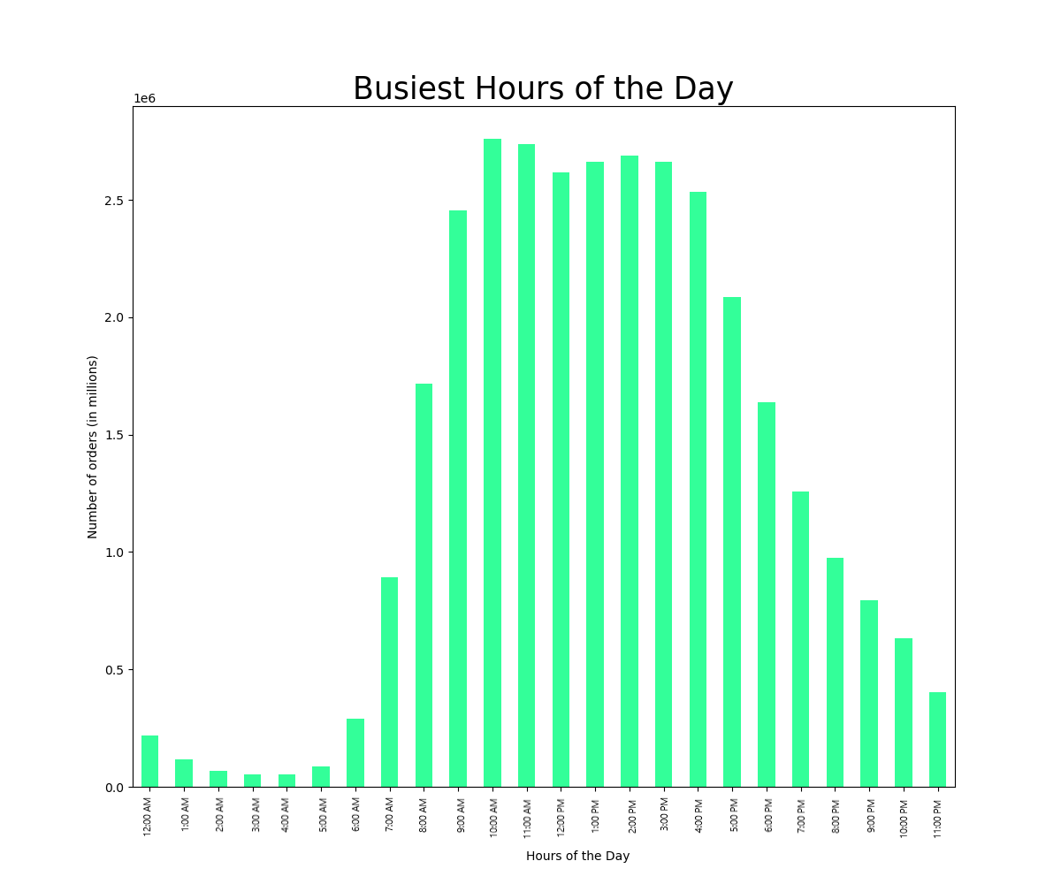
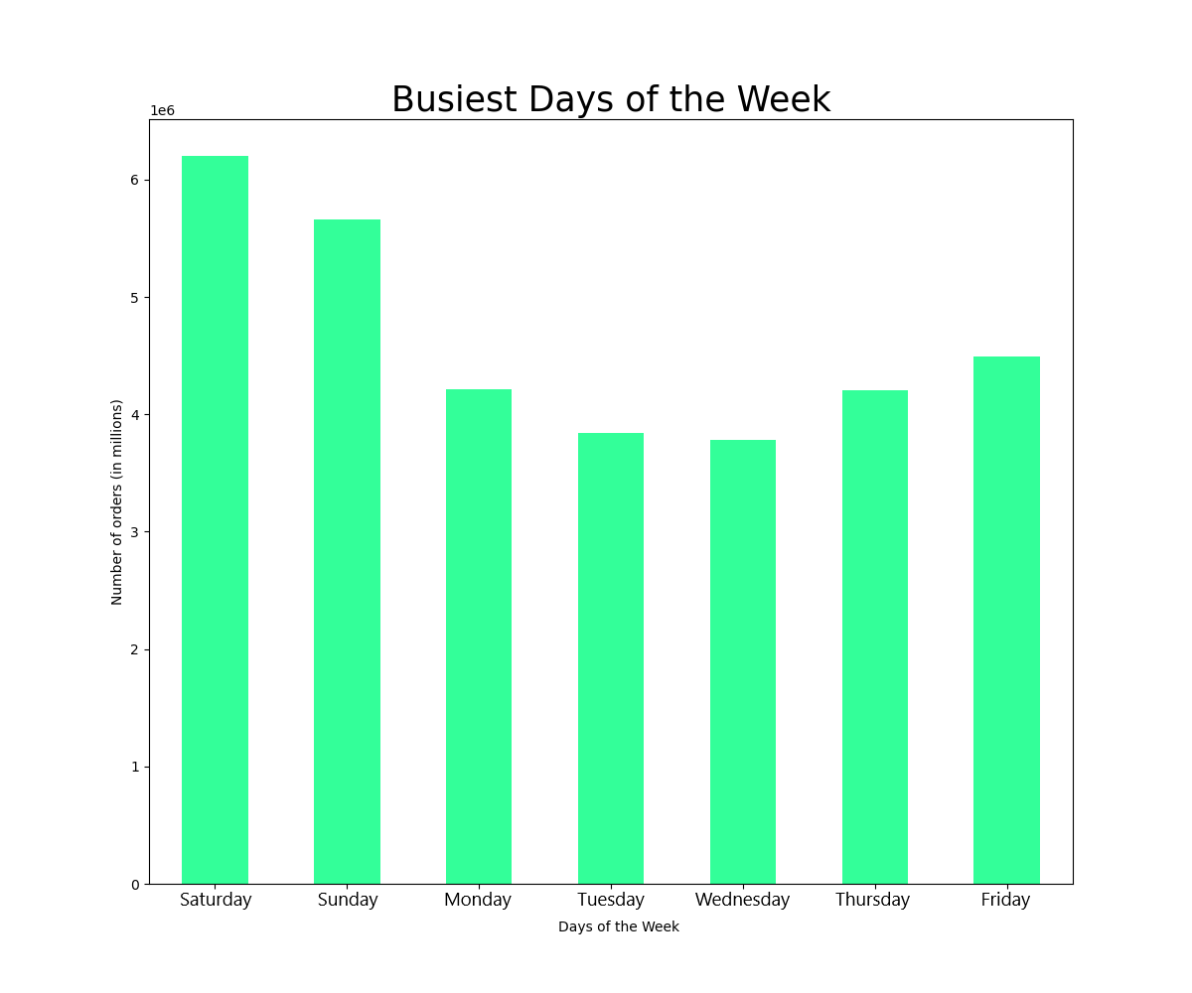

 | The Busiest Days of the Week bar chart shows the frequency of orders per day of the week. Friday, Saturday, and Sunday (6, 0, and 1) are the busiest while Tuesday and Wednesday (3 and 4) are the least busy. |  |  |  |  |  |  |  | The Busiest Hours of the Day bar chart shows the frequency of orders per hour of the day. Peak hours occur between 10:00 AM and 4:00 PM PST while minimal hours occur between 12:00 AM and 6:00 AM PST.

2. They also want to know whether there are particular times of the day when people spend the most money, as this might inform the type of products they advertise at these times.

 | Average Price per item by Day of Week |  |  |  |  |  |  | Average Price per item by Hour of the Day

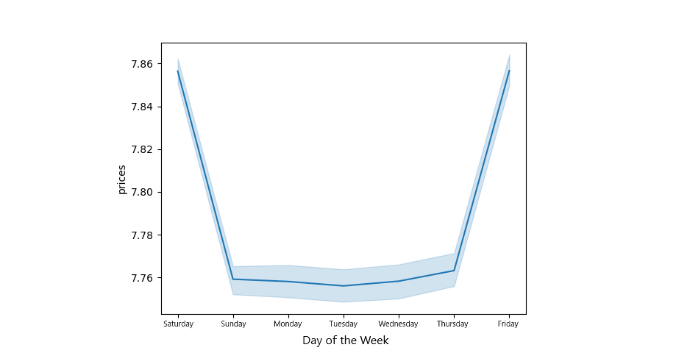


 |  |  |  |  |  |  |  | The Average Price per item by Hour of the Day line chart shows the mean price spent per item during each hour of the day. Though the variation is minimal, higher priced items tend to sell between 2:00 AM and 7:00 AM PST while lower priced items sell between 9:00 AM and 11:00 AM PST.
 | The Average Price per item by Day of Week line chart shows the mean price spent per item on each day of the week. Though the variation is minimal, higher priced items tend to sell on Friday and Saturday.

3. Instacart has a lot of products with different price tags. Marketing and sales want to use simpler price range groupings to help direct their efforts.

 |  |  |  |  |  | Instacart-defined price ranges: Low-range: $0.00 to $5.00 Mid-range: $5.01 to $15.00 High-range: $15.00 and higher
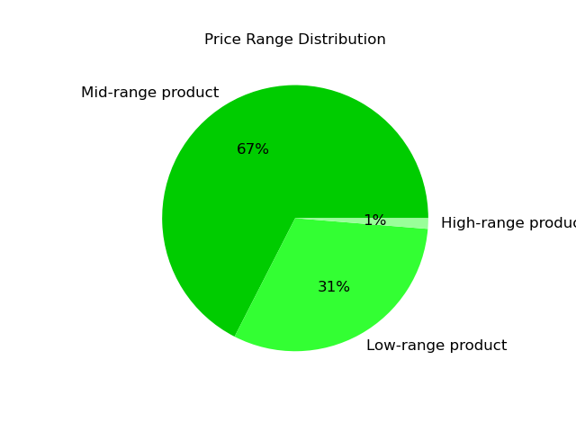

 |  |  |  |  |  | The Price Range Distribution pie chart shows the percent of sales each category is responsible for. All prices have been divided into three categories as detailed above. Mid-range products make up the majority of all sales while High-range products make up the overwhelming minority.

4. Are there certain types of products that are more popular than others? The marketing and sales teams want to know which departments have the highest frequency of product orders.

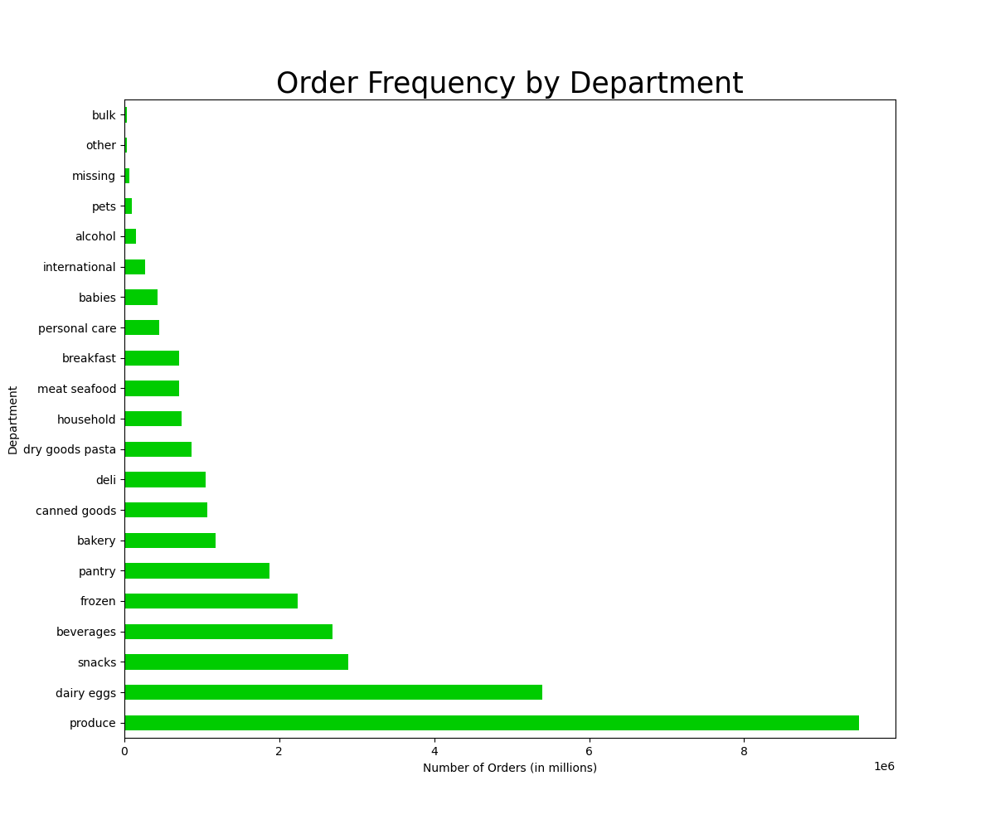

The Order Frequency by Department bar chart shows how many orders from each department have been made. The departments most frequently ordered from are: produce, dairy eggs, and snacks. The departments least frequently ordered from are: bulk, other, and missing.

5. The marketing and sales teams are particularly interested in the different types of customers in their system and how their ordering behaviors differ.

5.1 Instacart Loyalty Profiling
 | Instacart-defined loyalty groups:
 | New customers have made 10 or fewer total orders.
 | Regular customers have made 11 to 40 total orders.
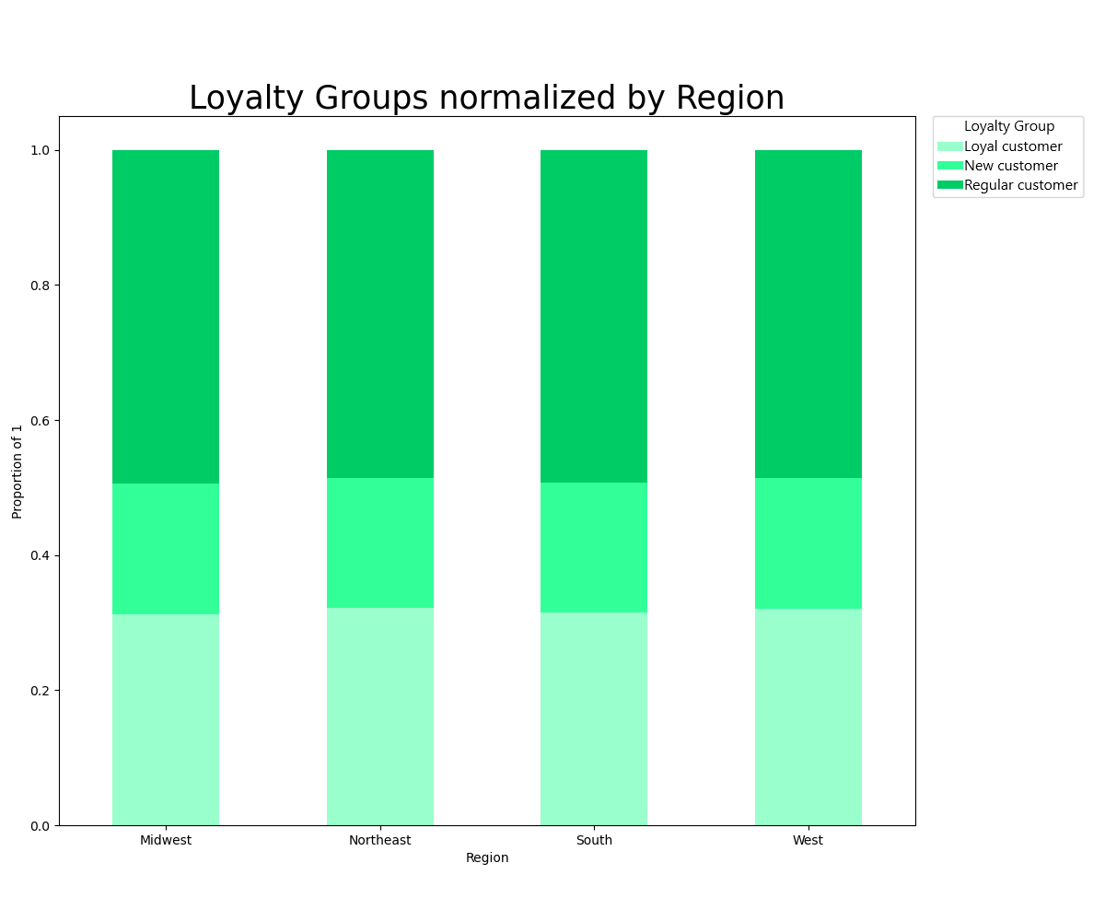
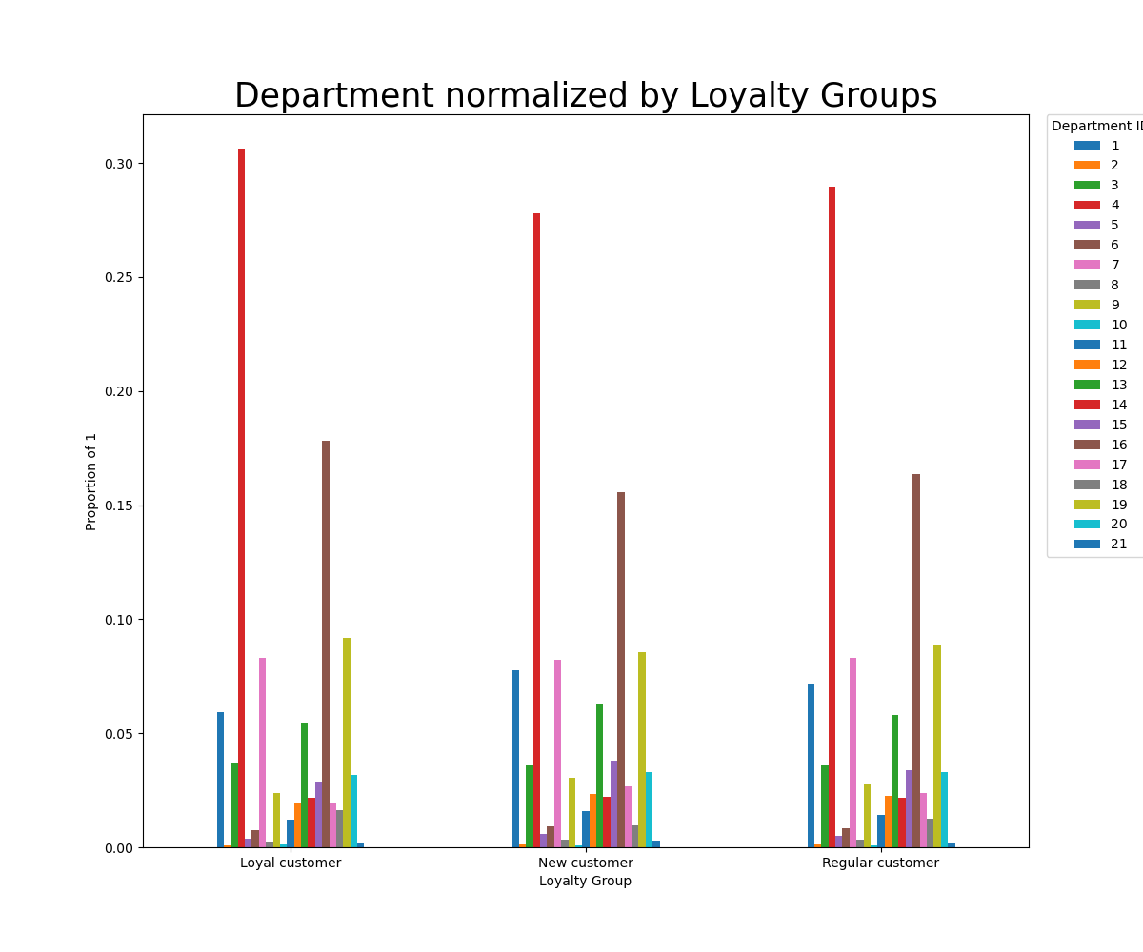
 | Loyal customers have made 41 or more total orders.
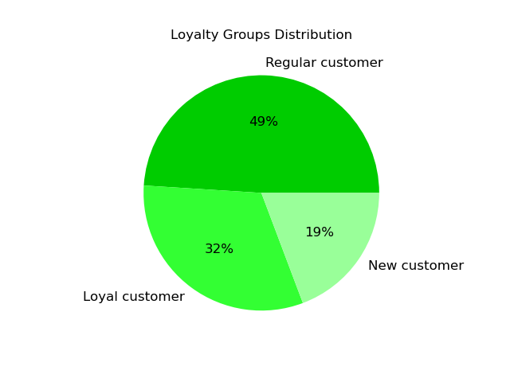

 |  |  |  |  |  |  |  |  |  |  |  |  |  |  | Department Key

 |  |  |  |  |  |  |  |  |  |  |  |  |  |  | 1 | frozen
 |  |  |  |  |  |  |  |  |  |  |  |  |  |  | 2 | other
 |  |  |  |  |  |  |  |  |  |  |  |  |  |  | 3 | bakery
 |  |  |  |  |  |  |  |  |  |  |  |  |  |  | 4 | produce
 |  |  |  |  |  |  |  |  |  |  |  |  |  |  | 5 | alcohol
 |  |  |  |  |  |  |  |  |  |  |  |  |  |  | 6 | international
 |  |  |  |  |  |  |  |  |  |  |  |  |  |  | 7 | beverages
 |  |  |  |  |  |  |  |  |  |  |  |  |  |  | 8 | pets
 |  |  |  |  |  |  |  |  |  |  |  |  |  |  | 9 | dry goods pasta
 |  |  |  |  |  |  |  |  |  |  |  |  |  |  | 10 | bulk
 |  |  |  |  |  |  |  |  |  |  |  |  |  |  | 11 | personal care
 |  |  |  |  |  |  |  |  |  |  |  |  |  |  | 12 | meat seafood
 |  |  |  |  |  |  |  |  |  |  |  |  |  |  | 13 | pantry
 |  |  |  |  |  |  |  |  |  |  |  |  |  |  | 14 | breakfast
 |  |  |  |  |  |  |  |  |  |  |  |  |  |  | 15 | canned goods
 |  |  |  |  |  |  |  |  |  |  |  |  |  |  | 16 | dairy eggs
 |  |  |  |  |  |  |  |  |  |  |  |  |  |  | 17 | household
 |  |  |  |  |  |  |  |  |  |  |  |  |  |  | 18 | babies
 | Regular customers make up the largest category of Instacart users and new customers make up the smallest. |  |  |  |  |  |  |  |  |  |  |  |  |  | 19 | snacks
 |  |  |  |  |  |  |  |  |  |  |  |  |  |  | 20 | deli
 |  |  |  |  |  |  |  |  |  |  |  |  |  |  | 21 | missing

 |  |  |  |  |  |  |  | All loyalty groups have an even distribution across all sales regions when normalized by total regional population. |  |  |  |  | The Departments normalized by Loyalty Groups shows the frequency to which each group shops in each department. For the most parts, all groups have similar shopping patterns. Of note, however is that Loyal customers are less likely to shop in department 1 (frozen goods) and more likely to shop in department 4 (produce) than Regular or Loyal customers.

5.2 Regional Profiling
 | Regions are clusters of states categorized into Northeast, Midwest, South, and West based on:
 | https://simple.wikipedia.org/wiki/List_of_regions_of_the_United_States

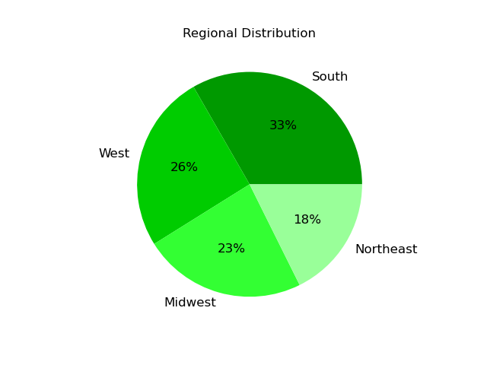
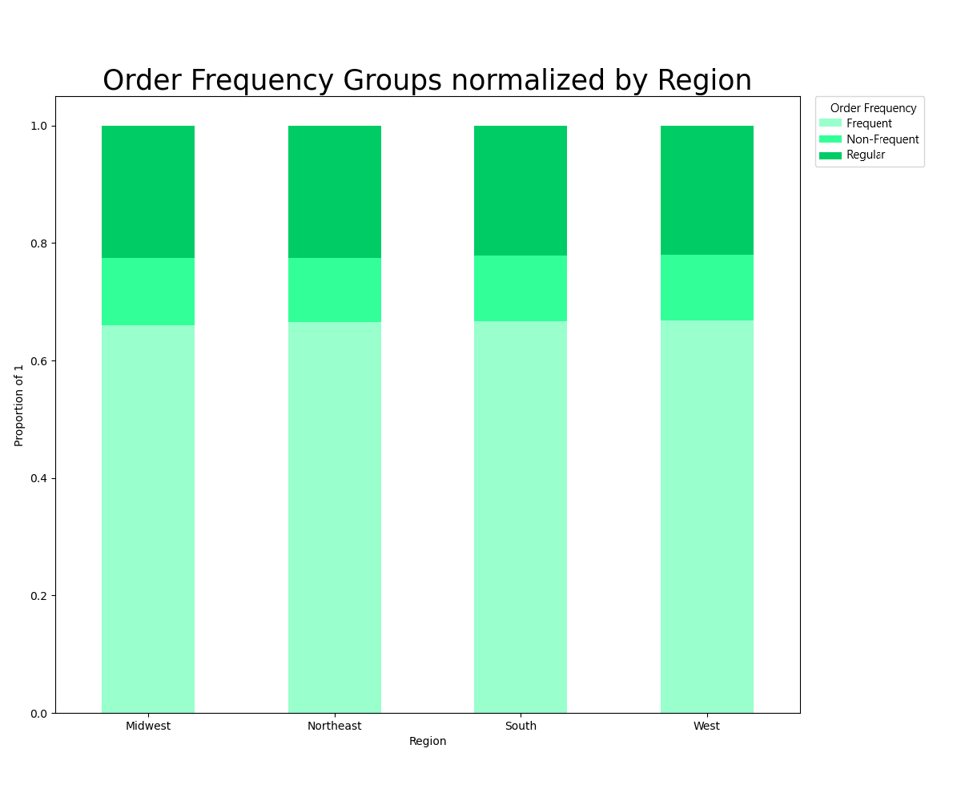
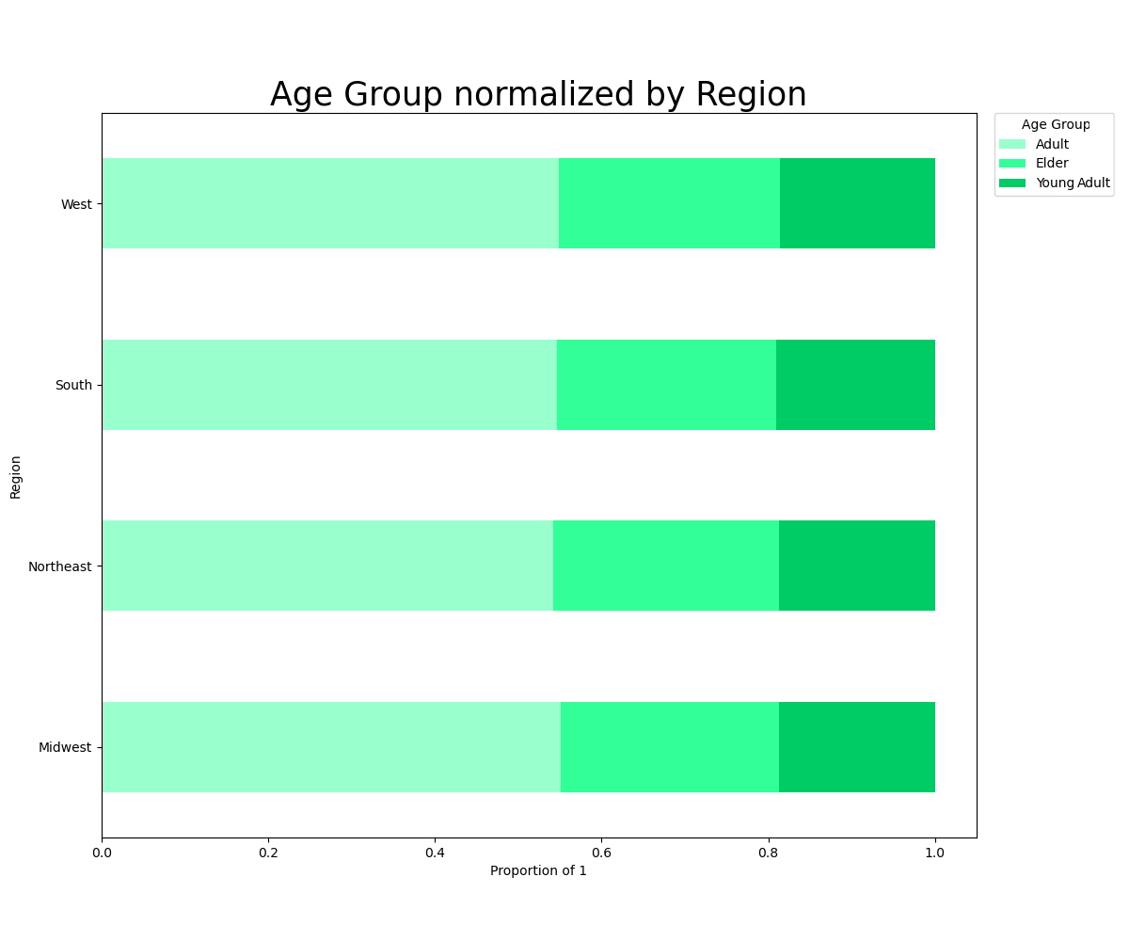
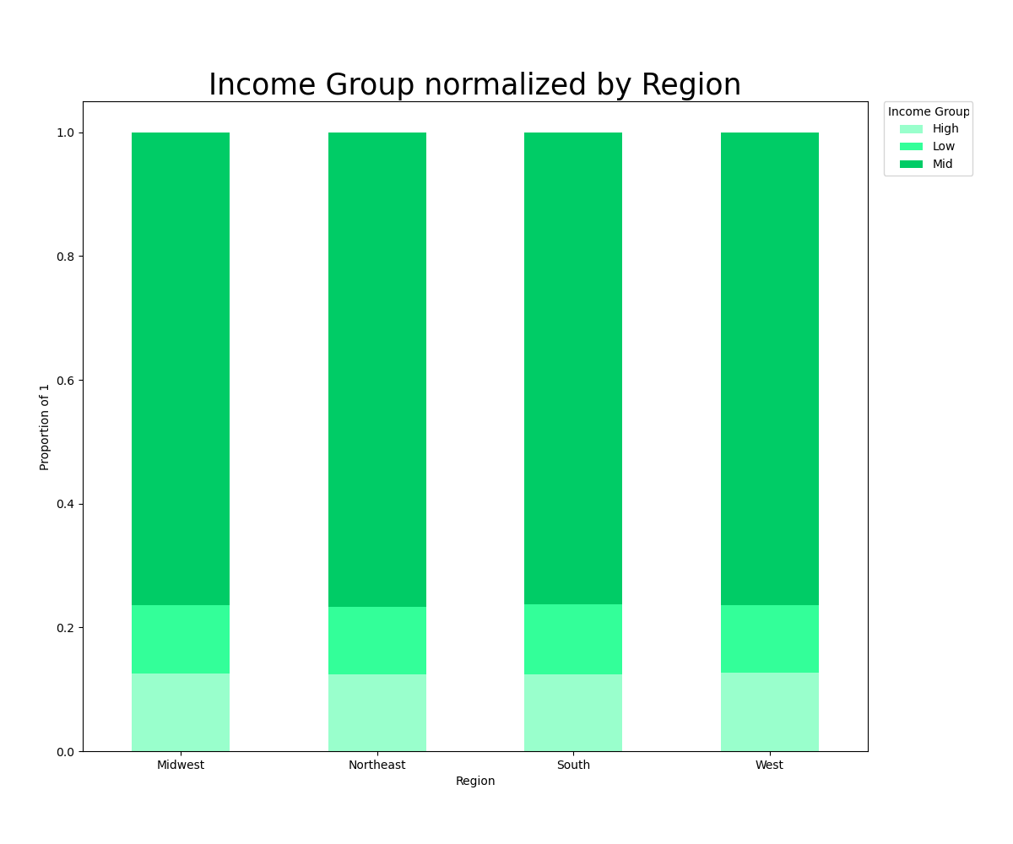

The Regional Distribution pie chart shows the amount of orders made in each region. Total orders, sales, and all demographics follow the same distributional spread as this pie chart. This indicates that there are no regional differences other than South is the largest and thus has the most orders, followed by West, Midwest, and lastly Northeast.

 |  |  |  |  |  |  |  | All regions have the same distribution of ordering frequencies when normalized for regional population. |  |  |  |  |  | All regions have the same age distribution when normalized for regional population. |  | All regions have the same distribution of income groups when normalized for regional population.

5.3 Age Profiling
 | Young Adults are those 18 to 29.
 | Adults are those 30 to 64.
 | Elders are those 65 and older.

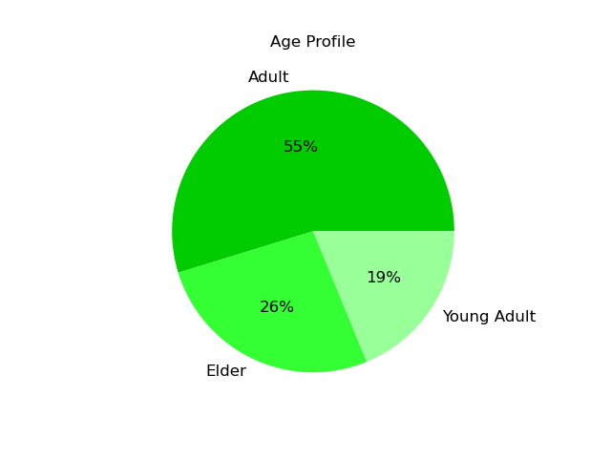
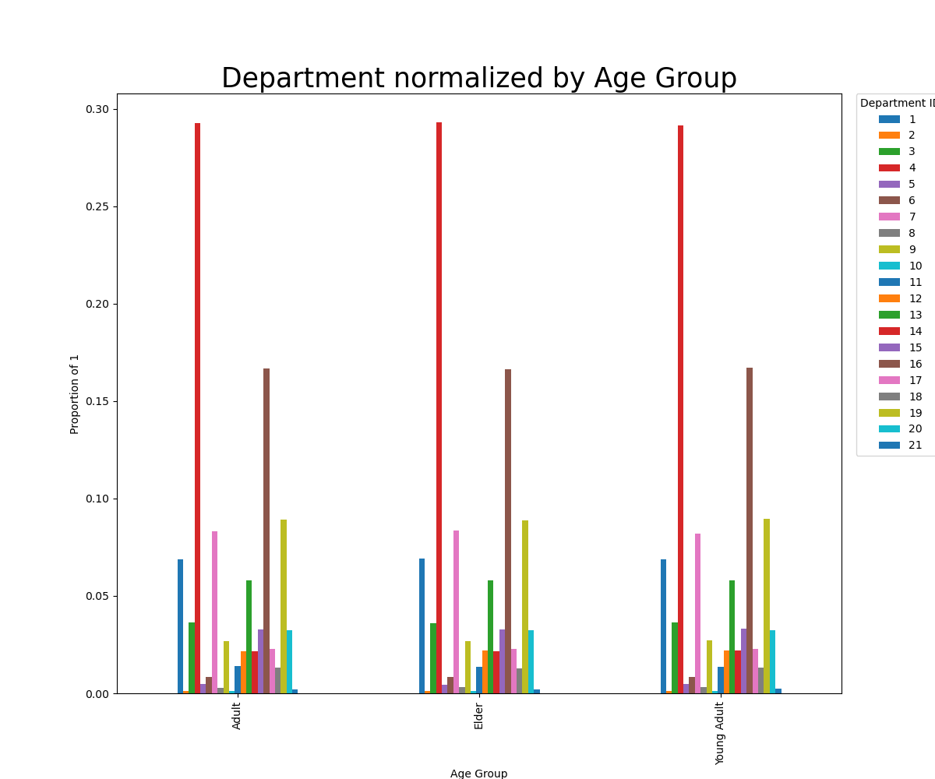

 |  |  |  |  |  |  |  |  |  |  |  |  |  | Income to Age Scatterplot



 | Adults make up the largest group followed by Elders, then Young Adults. No significant differences were found in any other category, including average ordering frequency and average price per item purchased.

 |  |  |  |  |  |  |  |  |  |  |  |  |  | The Income to Age Scatterplot shows that among Instacart users, there is a correlation between income and age. At age 40 a noticable increase in incomes occurs. The age categories for this analysis followed a breakdown based on other significant and historic age factors (i.e., buying a home around age 30 and retirement around age 65), but the age/income change at age 40 illustrated in this scatter plot could also be used.

 |  |  |  |  |  |  |  | The Department normalized by Age Group bar chart shows that when normalized by age group, no significant differences exist in the frequenting of departments.

5.4 Income Group Profiling
 | Low: incomes below $50,000 a year
 | Mid: incomes between $50,000 and $150,000 a year
 | High: incomes above $150,000 a year
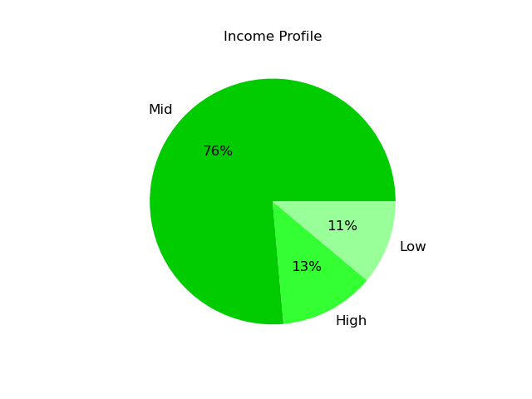
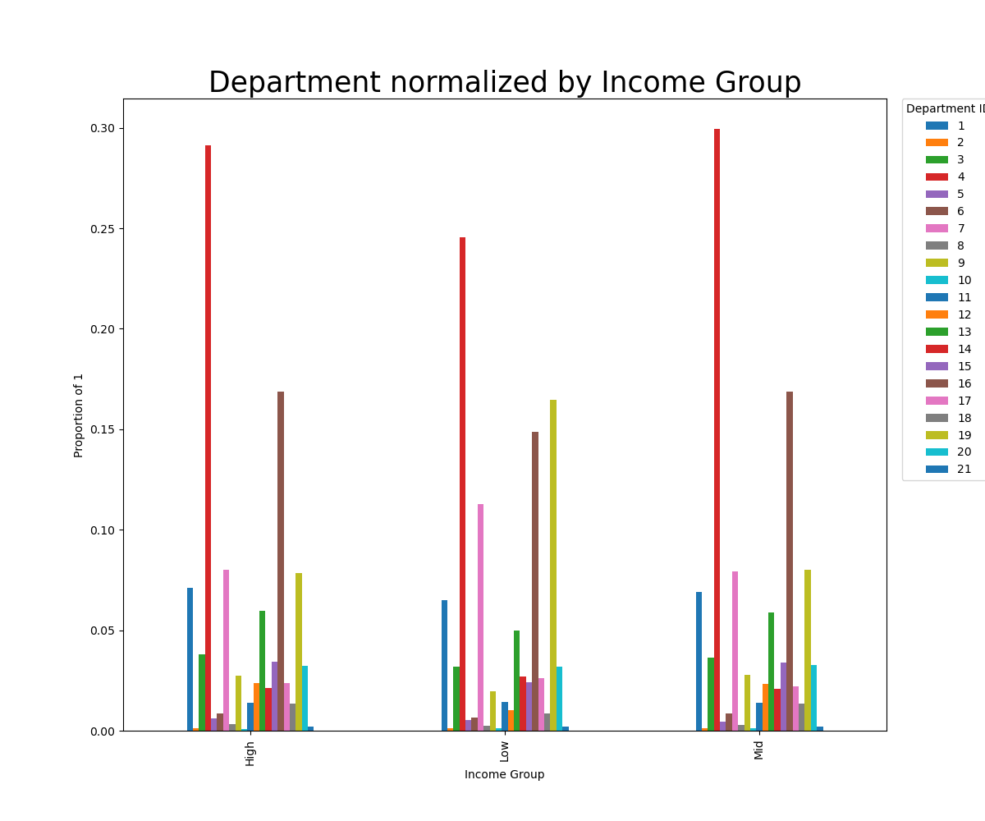
 |  |  |  |  |  |  |  |  |  |  |  | Department Key

 |  |  |  |  |  |  |  |  |  |  |  | 1 | frozen
 |  |  |  |  |  |  |  |  |  |  |  | 2 | other
 |  |  |  |  |  |  |  |  |  |  |  | 3 | bakery
 |  |  |  |  |  |  |  |  |  |  |  | 4 | produce
 |  |  |  |  |  |  |  |  |  |  |  | 5 | alcohol
 |  |  |  |  |  |  |  |  |  |  |  | 6 | international
 |  |  |  |  |  |  |  |  |  |  |  | 7 | beverages
 |  |  |  |  |  |  |  |  |  |  |  | 8 | pets
 |  |  |  |  |  |  |  |  |  |  |  | 9 | dry goods pasta
 |  |  |  |  |  |  |  |  |  |  |  | 10 | bulk
 |  |  |  |  |  |  |  |  |  |  |  | 11 | personal care
 |  |  |  |  |  |  |  |  |  |  |  | 12 | meat seafood
 |  |  |  |  |  |  |  |  |  |  |  | 13 | pantry
 |  |  |  |  |  |  |  |  |  |  |  | 14 | breakfast
 |  |  |  |  |  |  |  |  |  |  |  | 15 | canned goods
 |  |  |  |  |  |  |  |  |  |  |  | 16 | dairy eggs
 |  |  |  |  |  |  |  |  |  |  |  | 17 | household
 |  |  |  |  |  |  |  |  |  |  |  | 18 | babies
 |  |  |  |  |  |  |  |  |  |  |  | 19 | snacks
 |  |  |  |  |  |  |  |  |  |  |  | 20 | deli
 |  |  |  |  |  |  |  |  |  |  |  | 21 | missing
 |  |  |  |  | Most customers are in the Mid group and the fewest in the Low group. Those in the High group make the most frequent purchases and those in the Low group the least. Those in the High group tend to purchase more expensive items and those in the Low group the least.
 | Income Group Averages
 |  | Mean Days Since Last Order | Mean Price of Items Purchased
 | Low | 11.58 | 6.7
 | Mid | 11.06 | 7.92
 | High | 10.94 | 7.95

 |  |  |  |  |  |  | The Departments normalized by Income Group bar chart shows spending habits in each group normalized by that groups' total orders. The High and Mid groups have very similar shopping patterns. The Low group is much more likely to shop in departments 7 and 19 (beverages and snacks) and much less likely to shop in department 4 (produce) than the other two groups.

5.5 Family Status Profiling
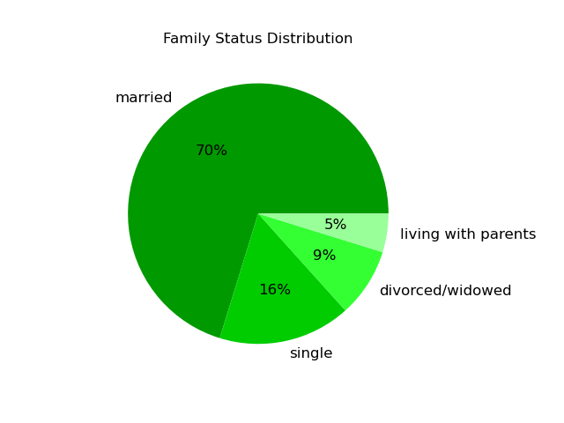

 | Married makes up the largest group followed by single, divorced/widowed, and living with parents. No significant spending pattern differences were found between these categories.

5.6 Lifestyle Profiling
 | Vegan: Those who have made purchases in the meat/seafood or dairy/eggs departments.
 | Vegetarian: Those who have made purchases in the dairy/eggs department, but not the meat/seafood department.
 | Omnivore: Those who have made purchases in the meat/seafood and dairy/eggs departments.
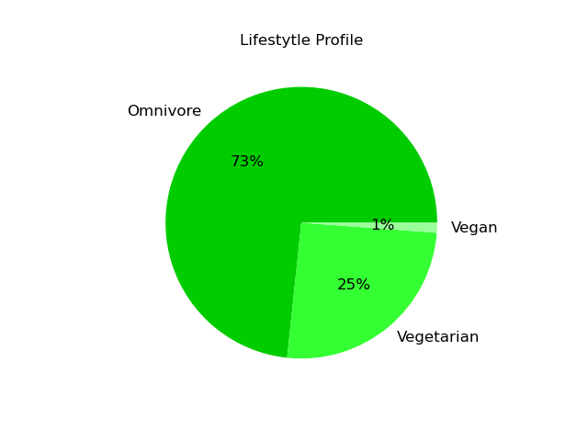
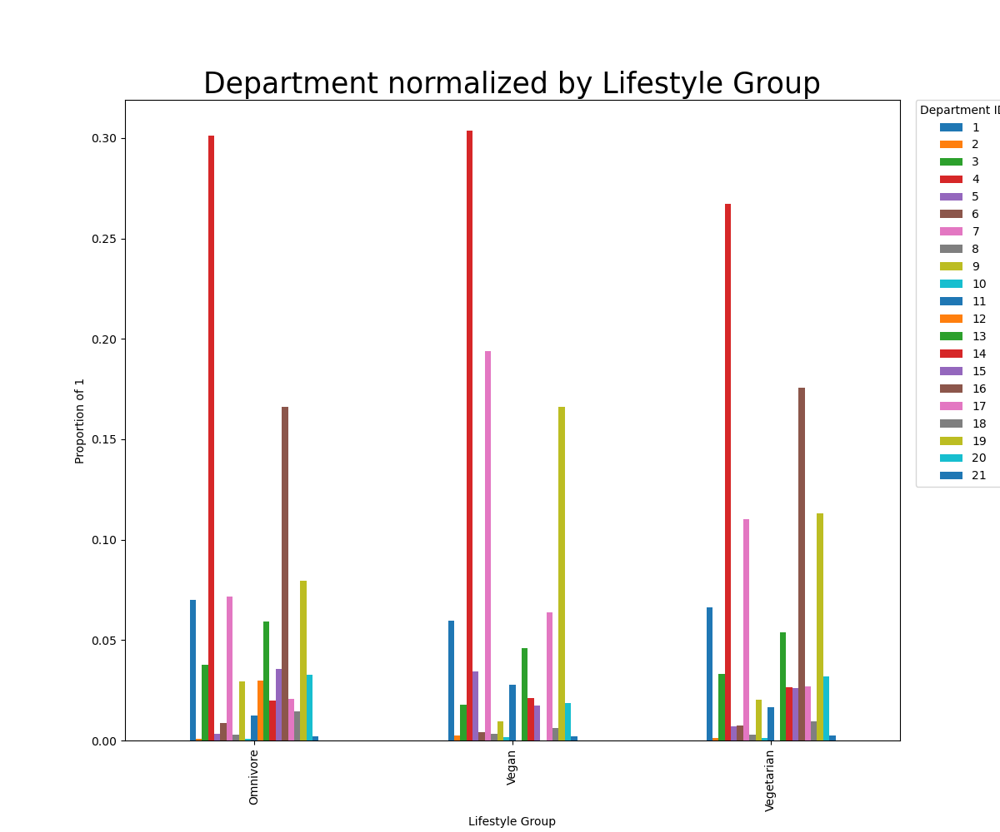

 |  |  |  |  |  |  |  |  |  |  | Department Key

 |  |  |  |  |  |  |  |  |  |  | 1 | frozen
 |  |  |  |  |  |  |  |  |  |  | 2 | other
 |  |  |  |  |  |  |  |  |  |  | 3 | bakery
 |  |  |  |  |  |  |  |  |  |  | 4 | produce
 |  |  |  |  |  |  |  |  |  |  | 5 | alcohol
 |  |  |  |  |  |  |  |  |  |  | 6 | international
 |  |  |  |  |  |  |  |  |  |  | 7 | beverages
 |  |  |  |  |  |  |  |  |  |  | 8 | pets
 |  |  |  |  |  |  |  |  |  |  | 9 | dry goods pasta
 |  |  |  |  |  |  |  |  |  |  | 10 | bulk
 |  |  |  |  |  |  |  |  |  |  | 11 | personal care
 |  |  |  |  |  |  |  |  |  |  | 12 | meat seafood
 |  |  |  |  |  |  |  |  |  |  | 13 | pantry
 |  |  |  |  |  |  |  |  |  |  | 14 | breakfast
 |  |  |  |  |  |  |  |  |  |  | 15 | canned goods
 |  |  |  |  |  |  |  |  |  |  | 16 | dairy eggs
 |  |  |  |  |  |  |  |  |  |  | 17 | household
 |  |  |  |  |  |  |  |  |  |  | 18 | babies
 |  |  |  |  |  |  |  |  |  |  | 19 | snacks
 |  |  |  |  |  |  |  |  |  |  | 20 | deli
Lifestyle Group Averages |  |  |  | The Lifestyle Profile pie chart shows that omnivores make up the largest group and Vegans the smallest. The Lifestyle Group Averages table shows Omnivores shop the most frequently and make higher purchases on average while Vegans shop the least frequently and make lower purchases on average. |  |  |  |  |  |  | 21 | missing
 | Mean Days Since Last Order | Mean Price of Items Purchased
Omnivore | 10.76 | 7.91
Vegetarian | 11.95 | 7.5
Vegan | 14.75 | 7

 |  |  |  |  |  |  | The Departments normalized by Lifestyle Group reveals a number of unique shopping patterns per group. -Omnivores are less likely to shop in departments 7, 11, and 19 (beverages, personal care, and snacks) and more likely to shop in 9,12, 15, and 16 (dry goods/pasta, meat/seafood, canned goods, dairy/eggs) than the other two groups. -Vegetarians are more likely to shop in department 16 (dairy/eggs) and less likely to shop in department 4 (produce) than the other two groups; they are also more likely to shop in departments 7 and 19 (beverages and snacks) than Omnivores, but less likely than Vegans. -Vegans are less likely to use departments 3, 9, 13, 15, and 20 (bakery, dry goods/pasta, pantry, canned goods, and deli), more likely to use departments 5, 11, and 17 (alochol, personal care, and household), and significantly more likey to use departments 7 and 19 (beverages and snacks) than the other two groups.

5.7 Baby Profiling
 | No Baby Purchases: Customers who have not made purcahses in the baby department
 | Baby Purchases: Customers who have made purchases in the baby department.
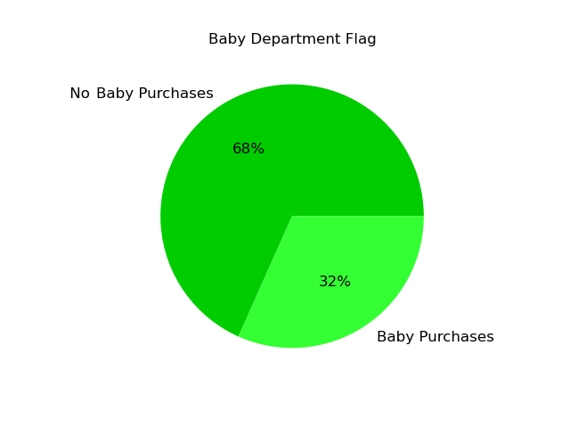
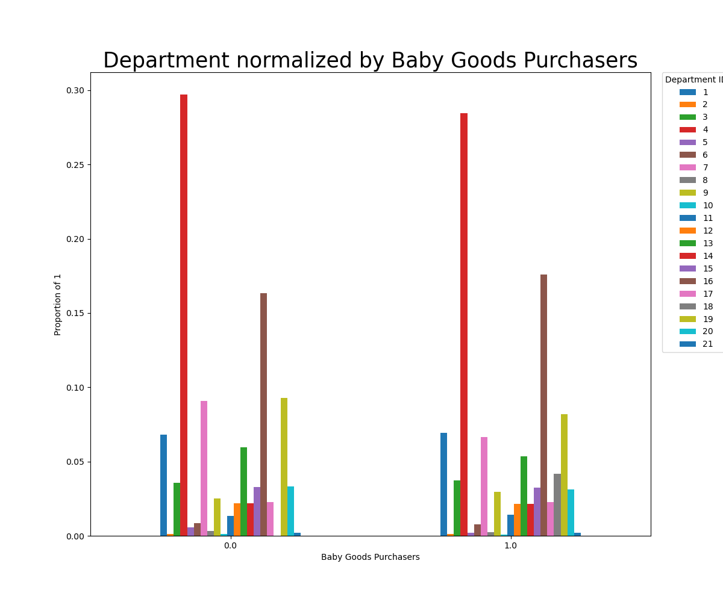
 |  |  |  |  |  |  |  |  |  |  | Department Key

 |  |  |  |  |  |  |  |  |  |  | 1 | frozen
 |  |  |  |  |  |  |  |  |  |  | 2 | other
 |  |  |  |  |  |  |  |  |  |  | 3 | bakery
 |  |  |  |  |  |  |  |  |  |  | 4 | produce
 |  |  |  |  |  |  |  |  |  |  | 5 | alcohol
 |  |  |  |  |  |  |  |  |  |  | 6 | international
 |  |  |  |  |  |  |  |  |  |  | 7 | beverages
 |  |  |  |  |  |  |  |  |  |  | 8 | pets
 |  |  |  |  |  |  |  |  |  |  | 9 | dry goods pasta
 |  |  |  |  |  |  |  |  |  |  | 10 | bulk
 |  |  |  |  |  |  |  |  |  |  | 11 | personal care
 |  |  |  |  |  |  |  |  |  |  | 12 | meat seafood
 |  |  |  |  |  |  |  |  |  |  | 13 | pantry
 |  |  |  |  |  |  |  |  |  |  | 14 | breakfast
 |  |  |  |  |  |  |  |  |  |  | 15 | canned goods
 |  |  |  |  |  |  |  |  |  |  | 16 | dairy eggs
 |  |  |  |  |  |  |  |  |  |  | 17 | household
 |  |  |  |  |  |  |  |  |  |  | 18 | babies
 |  |  |  |  |  |  |  |  |  |  | 19 | snacks
 |  |  |  |  |  |  |  |  |  |  | 20 | deli
 |  |  |  |  |  |  |  |  |  |  | 21 | missing
Baby Group Averages |  |  |  | The Baby Department Flag pie chart shows that 32% of customers have made purchases in the baby department and 68% have not. The Baby Group Averages table shows that customers who purchase baby goods make orders more frequently than those who do not.
 | Mean Days Since Last Order | Mean Price of Items Purchased
Baby Purchases | 9.36 | 7.83
No Baby Purchases | 11.5 | 7.77

 |  |  |  |  |  | The Department normalized by Baby Goods Purchasers bar chart shows slight variation in the two groups spending patterns. Of note is that those who purchase baby goods are less likely to buy goods in departments 4, 7, and 19 (produce, beverages, snacks), and more likely to make purchases in department 6 (international).

5.8 Alcohol Profiling
 | 0.0: Customers who have not made purcahses in the alcohol department
 | 1.0: Customers who have made purchases in the alcohol department.
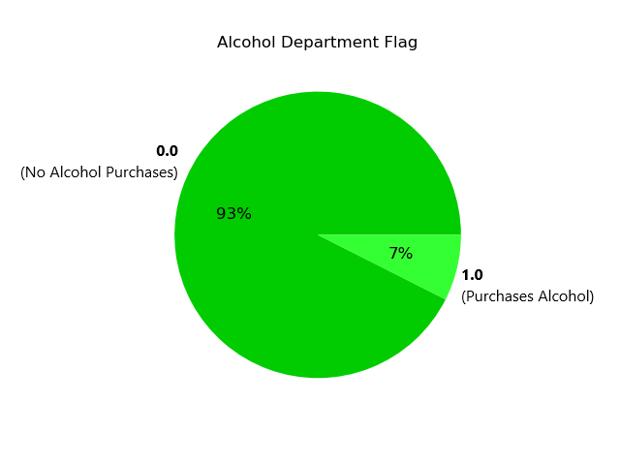
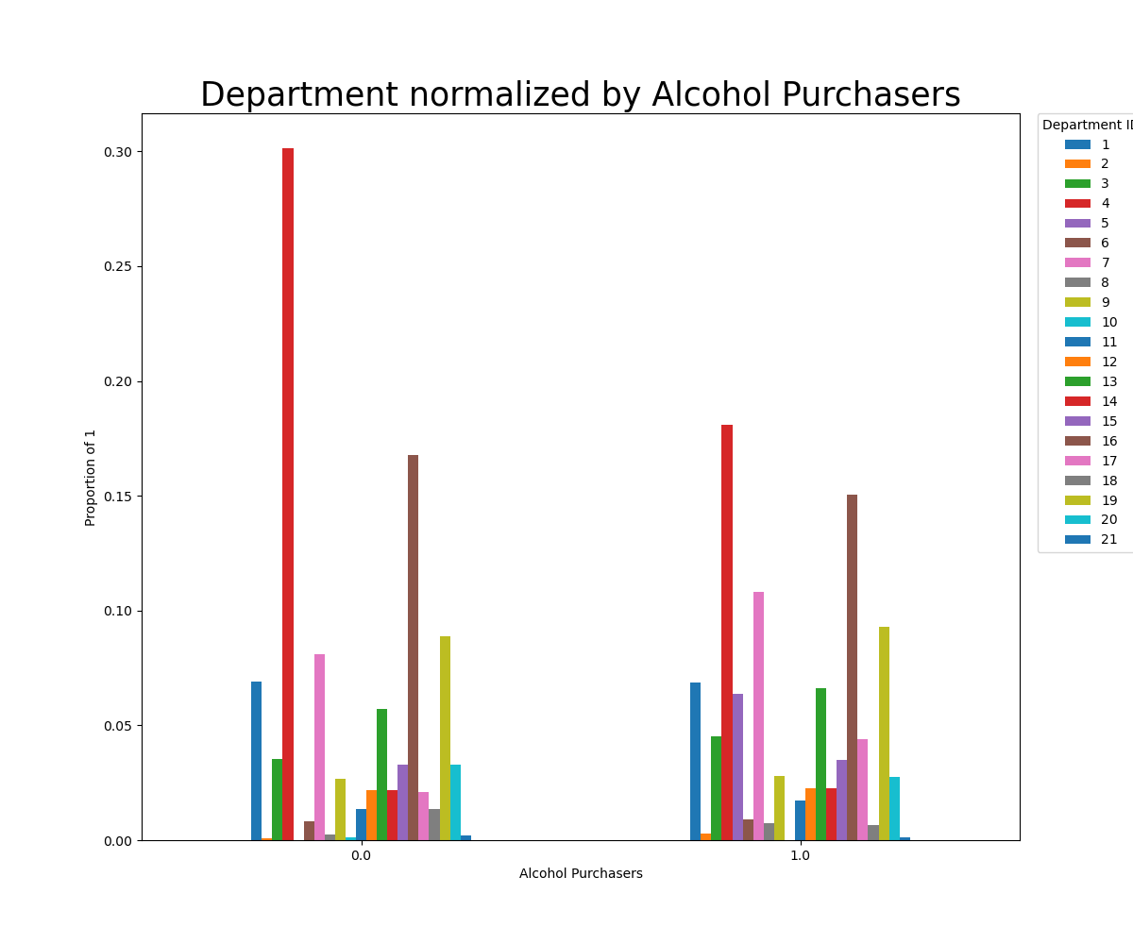

 |  |  |  |  |  |  |  |  |  |  | Department Key

 |  |  |  |  |  |  |  |  |  |  | 1 | frozen
 |  |  |  |  |  |  |  |  |  |  | 2 | other
 |  |  |  |  |  |  |  |  |  |  | 3 | bakery
 |  |  |  |  |  |  |  |  |  |  | 4 | produce
 |  |  |  |  |  |  |  |  |  |  | 5 | alcohol
 |  |  |  |  |  |  |  |  |  |  | 6 | international
 |  |  |  |  |  |  |  |  |  |  | 7 | beverages
 |  |  |  |  |  |  |  |  |  |  | 8 | pets
 |  |  |  |  |  |  |  |  |  |  | 9 | dry goods pasta
 |  |  |  |  |  |  |  |  |  |  | 10 | bulk
 |  |  |  |  |  |  |  |  |  |  | 11 | personal care
 |  |  |  |  |  |  |  |  |  |  | 12 | meat seafood
 |  |  |  |  |  |  |  |  |  |  | 13 | pantry
 |  |  |  |  |  |  |  |  |  |  | 14 | breakfast
 |  |  |  |  |  |  |  |  |  |  | 15 | canned goods
 |  |  |  |  |  |  |  |  |  |  | 16 | dairy eggs
 |  |  |  |  |  |  |  |  |  |  | 17 | household
 |  |  |  |  |  |  |  |  |  |  | 18 | babies
 |  |  |  |  |  |  |  |  |  |  | 19 | snacks
 | The Alcohol Department Flag pie chart shows that 7% of customers have made purchases in the alcohol department and 93% have not. |  |  |  |  |  |  |  |  |  | 20 | deli
 |  |  |  |  |  |  |  |  |  |  | 21 | missing

 |  |  |  |  |  |  | The Department normalized by Alcohol Purchasers bar chart shows the differences in spending patterns between those who purchase alcohol and those who do not. On average, alcohol purchasers are less likely to buy goods in departments 4 and 16 (produce and dairy/eggs), and more likely to buy goods in departments 3, 5, 7, 13, 17, and 19 (bakery, alcohol, beverages, pantry, household, and snacks).

5.9 Favorite Shopping Time Periods
 | Midnight: customers with modal purchases made betweent 12:00 AM and 4:59 AM PST.
 | Morning: customers with modal purchases made betweent 5:00 AM and 9:59 AM PST.
 | Mid-day: customers with modal purchases made betweent 10:00 AM and 4:59 AM PST.
 | Night: customers with modal purchases made betweent 5:00 PM and 11:59 PM PST.
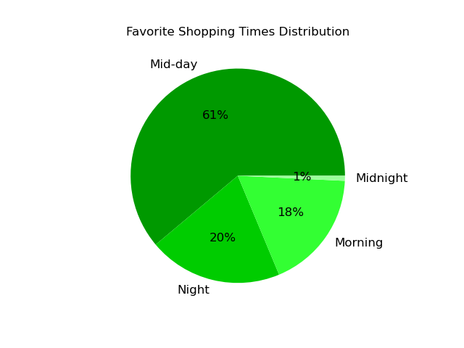
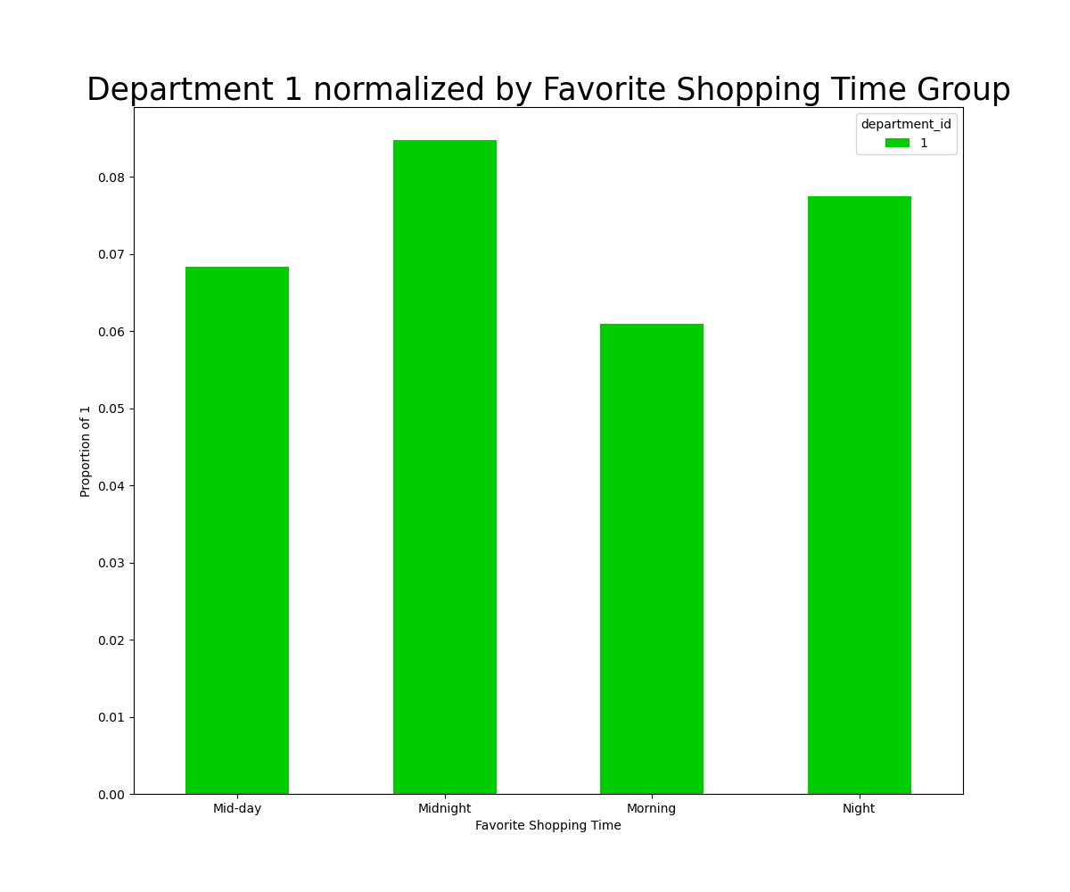

Favorite Shopping Time Averages |  |  |  | The Favorite Shopping Times Distribution pie chart shows that most shoppers are in the Mid-day group followed by, Night, Morning, then Midnight. The Favorite Shopping Time Averages table shows that Morning shoppers make orders most frequently and Midnight shoppers least frequently.
 | Mean Days Since Last Order | Mean Price of Items Purchased
Morning | 9.93 | 7.76
Mid-day | 11.21 | 7.79
Night | 11.76 | 7.81
Midnight | 13.3 | 7.83

 |  |  |  |  |  |  | Many negligable differences exist between the groups in terms of departmental preferences. Of note, however, is department 1 (frozen goods). In this department, Midnight shoppers more frequently buy goods and Morning shoppers less frequently.

5.10 High and Low Spenders
 | High spender: customer whose average purchase is $10 or greater.
 | Low spender: customer whose average purchase is under $10.
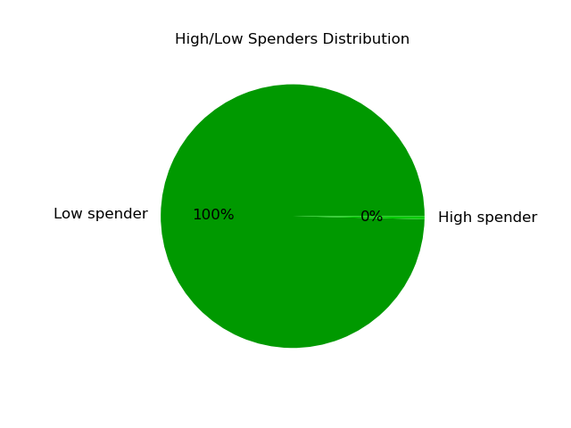
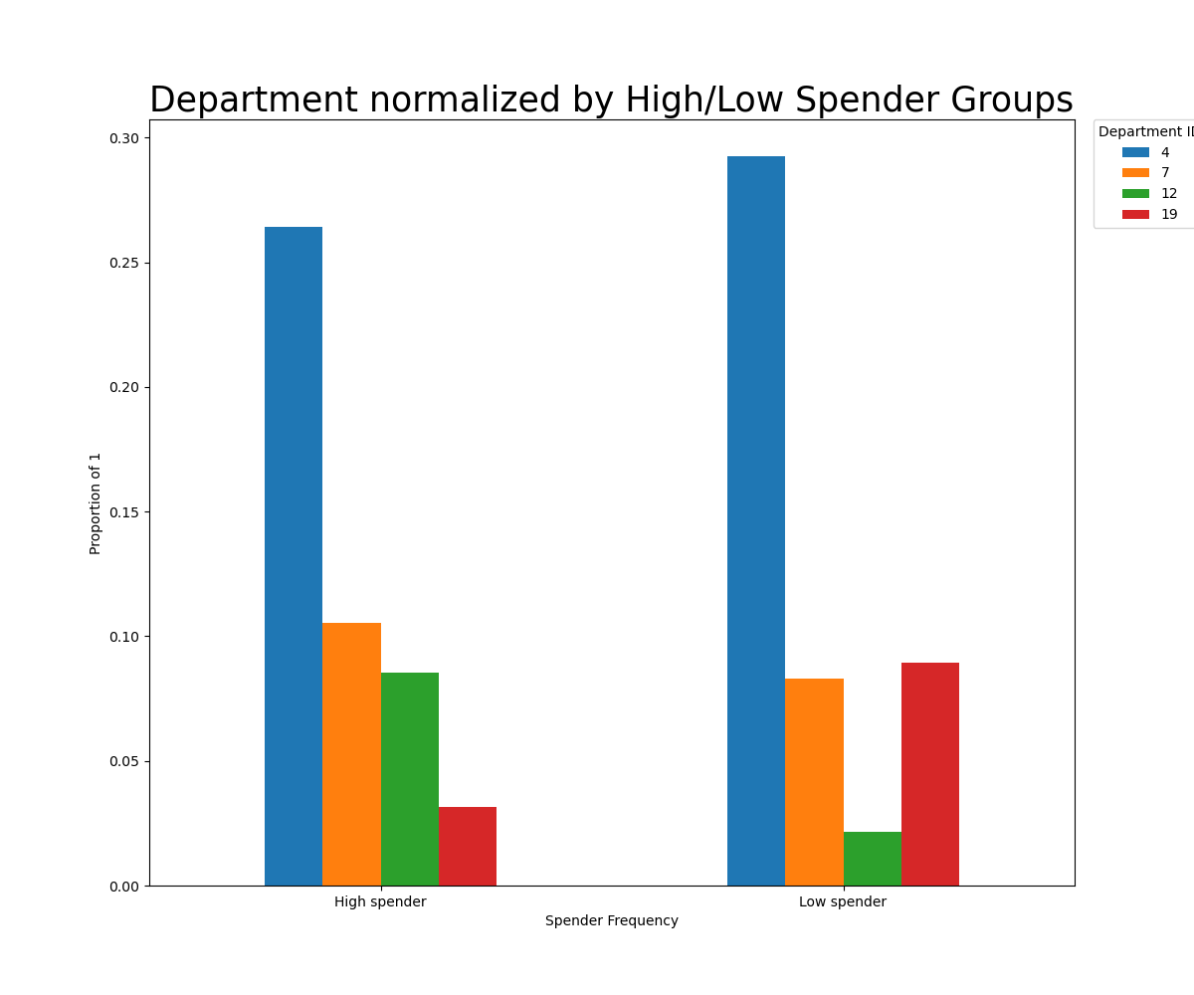
 |  |  |  |  |  |  |  |  |  |  | Department Key

 |  |  |  |  |  |  |  |  |  |  | 1 | frozen
 |  |  |  |  |  |  |  |  |  |  | 2 | other
 |  |  |  |  |  |  |  |  |  |  | 3 | bakery
 |  |  |  |  |  |  |  |  |  |  | 4 | produce
 |  |  |  |  |  |  |  |  |  |  | 5 | alcohol
 |  |  |  |  |  |  |  |  |  |  | 6 | international
 |  |  |  |  |  |  |  |  |  |  | 7 | beverages
 |  |  |  |  |  |  |  |  |  |  | 8 | pets
 |  |  |  |  |  |  |  |  |  |  | 9 | dry goods pasta
 |  |  |  |  |  |  |  |  |  |  | 10 | bulk
 |  |  |  |  |  |  |  |  |  |  | 11 | personal care
 |  |  |  |  |  |  |  |  |  |  | 12 | meat seafood
 |  |  |  |  |  |  |  |  |  |  | 13 | pantry
 |  |  |  |  |  |  |  |  |  |  | 14 | breakfast
 |  |  |  |  |  |  |  |  |  |  | 15 | canned goods
 |  |  |  |  |  |  |  |  |  |  | 16 | dairy eggs
 |  |  |  |  |  |  |  |  |  |  | 17 | household
 |  |  |  |  |  |  |  |  |  |  | 18 | babies
 |  |  |  |  |  |  |  |  |  |  | 19 | snacks
 |  |  |  |  |  |  |  |  |  |  | 20 | deli
High and Low Spender Averages |  |  |  | The High/Low Spenders Distribution pie chart shows that Low spenders make up the overwhelming majority of users. The High and Low Spender Averages table shows that High spenders make less frequent purchases than low spenders. |  |  |  |  |  |  | 21 | missing
 | Mean Days Since Last Order | Mean Price of Items Purchased
High spender | 13.88 | 10.58
Low spender | 11.09 | 7.78

 |  |  |  |  |  |  | The Department normalized by High/Low Spender Groups shows the most significant variations between the two groups' spending habits. -High spenders are more likely to shop in departments 7 and 12 (beverages and meat/seafood) than Low spenders. -Low spenders are more likely to shop in departments 4 and 19 (produce and snacks) than High spenders.

7. Recommendations
 |  | Title page

Recommendations - click the links to see corresponding visuals and explanations

1. Busy Days and Hours
 | Busy Days - On Saturdays and Sundays promote more expensive items to increase their sales.
 | Busy Hours - From 10:00 AM to 4:00 PM PST promote more expensive items to increase their sales.
2. Price Range Groups
 | Mid-range products make up 67% of all products sold, promoting these will insure stronger revenue stream.
3. Departments
 | Produce, Dairy/Eggs, and Snacks are the most frequented departments; increasing prices here could increase overall revenue.
4. Loyal Customers
 | Regular customers make 49% of purchases, marketing campaigns for this group will have the greatest impact.
 | Produce, dairy/eggs, and snacks are the most popular departments for regulat customers.
5. Geographic Regions
 | South makes up the largest group; in-platform campaigns in this region will have the greatest results.
6. Age Groups
 | Adults make up the largest category; marketing towards this group will help grow overall revenue.
7. Income Groups
 | Mid income group make up 76% users; marketing towards these groups will have the greatest impact.
 | Produce department is the most frequented amongst Mid income users.
8. Lifestyle
 | Omnivores make up 73% of Instacart users; marketing towards this group will have the greatest impact.
 | Ominvores shop in the ry goods/pasta, meat/seafood, canned goods, and dairy/eggs departments more than the other two groups.
9. Baby Purchases
 | Non-baby purchasers make up 68% of usership; marketing towards this group will have greater impact.
 | Non-baby purchasers are more likely to shop in the produce, beverages, and snacks departments.
10. Alcohol Purchasers
 | Non-alcohol purchasers make up 93% of usership; marketing towards this group will have the greatest impact.
 | Non-alcohol purchasers frequent the produce department far more than alcohol purchasers.
11. Favorite Shopping Time Periods
 | Morning shoppers make the most frequent returns to Instacart, and Mid-day shoppers make up the largest group.
12. High Spenders
 | Low Spenders make up almost 100% of usership.
 | Low Spenders frequent the produce and snacks departments more than High spenders.

Opportunities - click the links to see corresponding visuals and explanations

1. Busy Days and Hours
 | Less Busy Days - create incentives to attract customers on Tuesdays and Wednesdays
 | Less Busy Hours - create incentives to attract customers from 12:00 AM and 6:00 AM PST.
2. Price Range Groups
 | High-range products only make up 1% of all products sold, increase amount of higher priced items and increase advertising for this category.
3. Departments
 | Bulk, Other, and Missing are the least frequented departments; increasing their advertising could increase sales.
4. Loyal Customers
 | Loyal customers only make 32% of purchases and New customers only 19%, a program to incentivise return visits could increase loyalty.
 | Frozen goods are less popular with loyal customers than others, promoting this department could help its sales.
5. Geographic Regions
 | Northeast makes up the smallest group; customer recruitment in this region would be beneficial.
6. Age Groups
 | Young adults make up the smallest category; marketing towards this group will help grow its numbers and increase life-time potental of customers.
7. Income Groups
 | Low and High income groups make up the smallest percentage of users; marketing towards these groups to increase their usership.
 | Encourage Low income users to make more purchases in the produce department.
 | Encourage Mid and High income users to make more purchases in the snack department.
8. Lifestyle
 | Use time-limited coupons to encourage Vegans to shop at Instacart more frequently.
 | Promote higher-priced beverage and snack items to vegans.
 | Use targeted coupons to encourage Omnivores to make more beverage, personal care, and snack purchases.
 | Use targeted coupons to encourage Vegetarians to make more produce purchases.
9. Baby Purchases
 | Reward Baby purchasers for frequent purchasing.
 | Encourage Baby purchasers to buy more produce, beverage, snack items.
10. Alcohol Purchasers
 | Encourage alcohol purchasers to buy more produce and dairy/eggs.
11. Favorite Shopping Time Periods
 | Morning shoppers make the most frequent returns to Instacart, but only make up 18% of usership; attracting more morning shoppers could be beneficial.
12. High Spenders
 | High Spenders make up less than 1% of usership. Consider strategies to increase this kind of customer, or revising the criteria that defines a "high spender" to be more inclusive.
 | High Spenders make considerably less frequent purchases than low spenders; consider using time-limited coupons to improve this.

